Raw Data
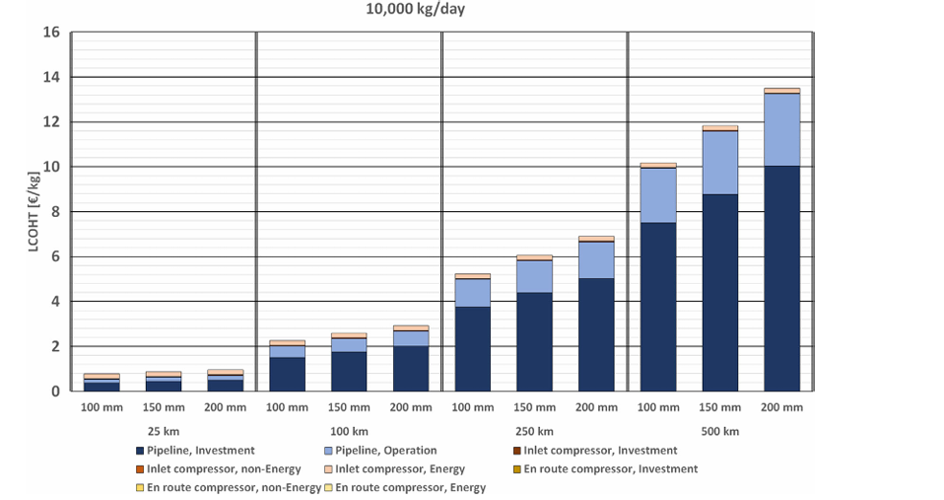
10K kg/day
Distance(km) | Dia. | Demand | En route compressor, non energy | En route compressor, energy | Inlet Comp. Energy(€/kg) | Pipeline Op.(€/kg) | Pipeline Investment(€/kg) | LCOHT(Total) | En route compressor(Investment) | Key |  | Distance | Dia. | Inlet Comp. Energy(€/kg) | Pipeline Op.(€/kg) | Pipeline Investment(€/kg) | Inlet Comp. Inv. | Inlet Comp. Non-E | En Route Comp. Inv. | En Route Comp. Non-E | En Route Comp. Energy
25 | 100 | 10000 | 0 | 0 | 0.20382165605 | 0.20382165605 | 0.33121019108 | 0.73885350318 | 0 | 10000-25-100 |  |  | 150 | 0.20382165605 | 0.25477707006 | 0.3821656051
25 | 150 | 10000 | 0 | 0 | 0.20382165605 | 0.25477707006 | 0.3821656051 | 0.84076433121 | 0 | 10000-25-150 |  |  | 200 | 0.25477707006 | 0.20382165605 | 0.48407643312
25 | 200 | 10000 | 0 | 0 | 0.25477707006 | 0.20382165605 | 0.48407643312 | 0.94267515924 | 0 | 10000-25-200
100 | 100 | 10000 | 0 | 0 | 0.20382165605 | 0.56050955414 | 1.4522292994 | 2.2165605096 | 0 | 10000-100-100 |  |  | 150 | 0.25477707006 | 0.61146496815 | 1.7070063694
100 | 150 | 10000 | 0 | 0 | 0.25477707006 | 0.61146496815 | 1.7070063694 | 2.5732484076 | 0 | 10000-100-150 |  |  | 200 | 0.25477707006 | 0.71337579618 | 1.9617834395
100 | 200 | 10000 | 0 | 0 | 0.25477707006 | 0.71337579618 | 1.9617834395 | 2.9299363057 | 0 | 10000-100-200
250 | 100 | 10000 | 0 | 0 | 0.20382165605 | 1.2738853503 | 3.7452229299 | 5.2229299363 | 0 | 10000-250-100 |  |  | 150 | 0.25477707006 | 1.4522292994 | 4.3821656051
250 | 150 | 10000 | 0 | 0 | 0.25477707006 | 1.4522292994 | 4.3821656051 | 6.0891719745 | 0 | 10000-250-150 |  |  | 200 | 0.25477707006 | 1.6305732484 | 5.0191082803
250 | 200 | 10000 | 0 | 0 | 0.25477707006 | 1.6305732484 | 5.0191082803 | 6.9044585987 | 0 | 10000-250-200
500 | 100 | 10000 | 0 | 0 | 0.20382165605 | 2.4968152866 | 7.4649681529 | 10.165605096 | 0 | 10000-500-100 |  |  | 150 | 0.25477707006 | 2.8535031847 | 8.7388535032
500 | 150 | 10000 | 0 | 0 | 0.25477707006 | 2.8535031847 | 8.7388535032 | 11.847133758 | 0 | 10000-500-150 |  |  | 200 | 0.25477707006 | 3.2611464968 | 10.012738854
500 | 200 | 10000 | 0 | 0 | 0.25477707006 | 3.2611464968 | 10.012738854 | 13.52866242 | 0 | 10000-500-200

Dataset
100, 0.7388535031847141
100, 0.5350318471337587
100, 0.33121019108280336
100, 0.8407643312101918
100, 0.6369426751592364
100, 0.38216560509554043
100, 0.9426751592356695
100, 0.6878980891719735
100, 0.48407643312102167
100, 2.2165605095541405
100, 2.012738853503187
100, 1.452229299363058
100, 2.5732484076433124
100, 2.31847133757962
100, 1.7070063694267539
100, 2.929936305732486
100, 2.67515923566879
100, 1.9617834394904463
100, 5.222929936305732
100, 5.019108280254779
100, 3.7452229299363076
100, 6.089171974522294
100, 5.8343949044586
100, 4.382165605095549
100, 6.904458598726116
100, 6.649681528662422
100, 5.019108280254779
100, 10.165605095541402
100, 9.961783439490446
100, 7.464968152866243
100, 11.847133757961785
100, 11.59235668789809
100, 8.738853503184714
100, 13.528662420382167
100, 13.273885350318473
100, 10.012738853503185

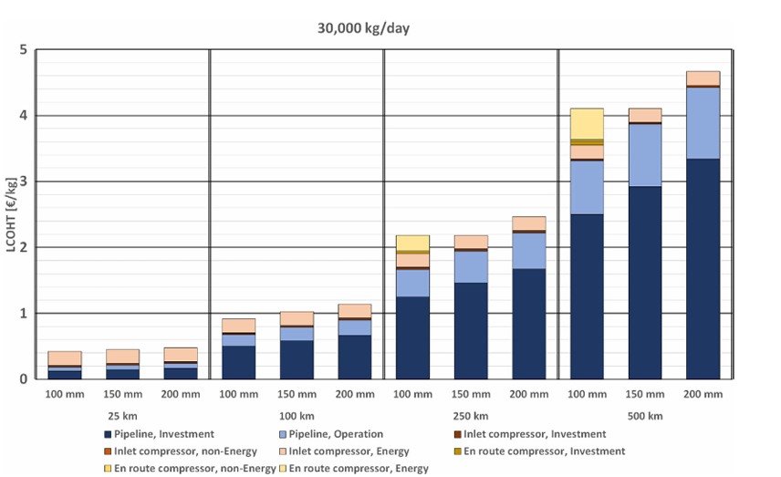
30K kg/day
Distance | Dia. | En route compressor,energy | En route compressor, non energy | En route compressor,investment | Inlet Comp. Energy(€/kg) | Demand | Pipeline Op.(€/kg) | Pipeline Investment(€/kg) | LCOHT(Total) | Key | Inlet Comp, Investment
25 | 100 | 0 | 0 | 0 | 0.19858156028 | 30000 | 0.056737588652 | 0.13475177305 | 0.43262411348 | 30000-25-100
25 | 150 | 0 | 0 | 0 | 0.19858156028 | 30000 | 0.070921985816 | 0.16312056738 | 0.4609929078 | 30000-25-150
25 | 200 | 0 | 0 | 0 | 0.19858156028 | 30000 | 0.070921985816 | 0.17730496454 | 0.48936170213 | 30000-25-200
100 | 100 | 0 | 0 | 0 | 0.21276595745 | 30000 | 0.17021276596 | 0.51773049645 | 0.92907801418 | 30000-100-100
100 | 150 | 0 | 0 | 0 | 0.21276595745 | 30000 | 0.19858156028 | 0.60283687943 | 1.0283687943 | 30000-100-150
100 | 200 | 0 | 0 | 0 | 0.19858156028 | 30000 | 0.24113475177 | 0.67375886525 | 1.1418439716 | 30000-100-200
250 | 100 | 0.22695035461 | 0.028368794326 | 0 | 0.22695035461 | 30000 | 0.41134751773 | 1.2553191489 | 2.1773049645 | 30000-250-100
250 | 150 | 0 | 0 | 0 | 0.19858156028 | 30000 | 0.48226950355 | 1.4680851064 | 2.1773049645 | 30000-250-150
250 | 200 | 0 | 0 | 0 | 0.19858156028 | 30000 | 0.5390070922 | 1.6808510638 | 2.4609929078 | 30000-250-200
500 | 100 | 0.43971631206 | 0.042553191489 | 0.042553191489 | 0.21276595745 | 30000 | 0.8085106383 | 2.5035460993 | 4.0780141844 | 30000-500-100
500 | 150 | 0 | 0 | 0 | 0.19858156028 | 30000 | 0.95035460993 | 2.914893617 | 4.0780141844 | 30000-500-150
500 | 200 | 0 | 0 | 0 | 0.19858156028 | 30000 | 1.0780141844 | 3.3262411348 | 4.6453900709 | 30000-500-200

200, 0.4326241134751774
200, 0.2340425531914887
200, 0.1914893617021276
200, 0.13475177304964525
200, 0.4609929078014181
200, 0.2624113475177303
200, 0.2340425531914887
200, 0.16312056737588598
200, 0.4893617021276597
200, 0.29078014184397105
200, 0.24822695035460995
200, 0.17730496453900635
200, 0.9290780141843973
200, 0.7163120567375882
200, 0.6879432624113475
200, 0.5177304964539005
200, 1.0283687943262407
200, 0.8156028368794326
200, 0.8014184397163113
200, 0.6028368794326235
200, 1.1418439716312054
200, 0.9432624113475176
200, 0.914893617021276
200, 0.6737588652482263
200, 2.177304964539007
200, 1.9503546099290778
200, 1.921985815602837
200, 1.6950354609929068
200, 1.666666666666666
1.255319149
200, 2.177304964539007
200, 1.9787234042553186
200, 1.9503546099290778
200, 1.4680851063829783
200, 2.460992907801418
200, 2.2624113475177303
200, 2.2198581560283683
200, 1.6808510638297873
200, 4.078014184397163
200, 3.638297872340425
200, 3.5957446808510634
200, 3.553191489361702
200, 3.340425531914893
200, 3.312056737588652
200, 2.5035460992907796
200, 4.078014184397163
200, 3.8794326241134747
200, 3.8652482269503543
200, 2.914893617021276
200, 4.6453900709219855

200, 4.446808510638297
200, 4.404255319148936
200, 3.326241134751773

100K kg/day
Distance | Dia. | En route compressor,energy | En route compressor, non energy | En route compressor,investment | Inlet Comp. Energy(€/kg) | Inlet Comp. Investment | Pipeline Op.(€/kg) | Pipeline Investment(€/kg) | Demand | Key | LCOHT
25 | 150 | 0 | 0 | 0 | 0.20998423542 | 0.01781397793 | 0.022937467157 | 0.052049395691 | 100000 | 100000-25-150 | 0.3027850762
25 | 200 | 0 | 0 | 0 | 0.20015764582 | 0.036416184971 | 0.018339464004 | 0.061114030478 | 100000 | 100000-25-200 | 0.31602732528
100 | 150 | 0.10428271151 | 0 | 0.018654755649 | 0.21791907514 | 0.02309511298 | 0.058512874409 | 0.19322122964 | 100000 | 100000-100-150 | 0.61568575933
100 | 200 | 0 | 0 | 0 | 0.20919600631 | 0.02246452969 | 0.077430373095 | 0.21581713085 | 100000 | 100000-100-200 | 0.52490803994
250 | 150 | 0.3317130846 | 0 | 0.054440357331 | 0.20909090909 | 0.022359432475 | 0.14096163952 | 0.46626379401 | 100000 | 100000-250-150 | 1.224829217
250 | 200 | 0 | 0 | 0 | 0.20903836048 | 0.02732527588 | 0.17272727273 | 0.52490803994 | 100000 | 100000-250-200 | 0.93399894903
500 | 150 | 0.66379400946 | 0 | 0.09978980557 | 0.21839201261 | 0.017761429322 | 0.28213347346 | 0.911245402 | 100000 | 100000-500-150 | 2.1931161324
500 | 200 | 0.13625853915 | 0 | 0.018497109827 | 0.2042301629 | 0.027482921703 | 0.3317130846 | 1.0339464004 | 100000 | 100000-500-200 | 1.7521282186

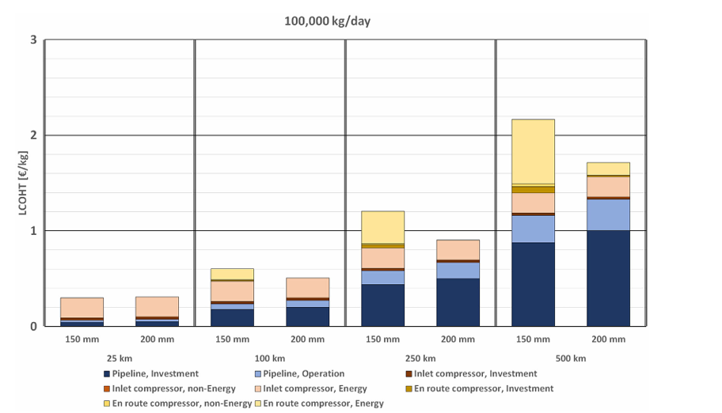
150, 0.3027850761954811
150, 0.092800840777719
150, 0.07498686284813427
150, 0.0520493956910153
150, 0.3160273252758805
150, 0.1158696794534948
150, 0.07945349448239591
150, 0.061114030478192305
150, 0.6156857593273779
150, 0.5114030478192326
150, 0.4927482921702575
150, 0.2748292170257485
150, 0.2517341040462431
150, 0.19322122963741428
150, 0.5249080399369417
150, 0.315712033631109
150, 0.2932475039411453
150, 0.21581713084603305
150, 1.224829217025749
150, 0.8931161324224908
150, 0.8747241198108253
150, 0.8386757750919598
150, 0.6295848660010512
150, 0.6072254335260117
150, 0.4662637940094583
150, 0.9339989490278504
150, 0.7249605885444037
150, 0.6976353126642141
150, 0.5249080399369412
150, 2.1931161324224906
150, 1.5293221229637413
150, 1.4975039411455593
150, 1.4295323173935888
150, 1.2111403047819227
150, 1.1933788754598003
150, 0.9112454019968474
150, 1.752128218602207
150, 1.6158696794534941
150, 1.5973725696269045
150, 1.3931424067262212
150, 1.365659485023647
150, 1.0339464004203887

Pipeline Model
Input Parameter
Hydrogen Demand(kg/day) | 30000
Transport Distance(km) | 100
Pipeline Diameter(mm) | 150

Key | 30000-100-150
Pipeline Investment(€/kg) | 0.60283687943
Pipeline Operation(€/kg) | 0.19858156028
Inlet Compressor(€/kg) | 0.21276595745
En route compressor(Non energy)(€/kg) | 0
Breakdown Of LCOHT Components
En route compressor(Energy) (€/kg) | 0
En route compressor(Investment)t(€/kg) | 0
LCOHT(Total)(€/kg) | 1.0283687943
Sum(Not LCOHT) | 1.0141843972

Input Parameter
Hydrogen Demand(kg/day) | 10000
Transport Distance(km) | 250
Pipeline Diameter(mm) | 150

Breakdown of LCOHT Components
Key | 10000-250-150
Pipeline Investment(€/kg) | 4.3821656051
Pipeline Operation(€/kg) | 1.4522292994
Inlet Compressor(€/kg) | 0.25477707006
En route compressor(Non energy)(€/kg) | 0
En route compressor(Energy) (€/kg) | 0
En route compressor(Investment)t(€/kg) | 0
LCOHT(Total)(€/kg) | 6.0891719745
Sum(Not LCOHT) | 6.0891719745

Input Parameter
Hydrogen Demand(kg/day) | 100000
Transport Distance(km) | 250
Breakdown of LCOHT Components
Pipeline Diameter(mm) | 150

Key | 100000-250-150
Pipeline Investment(€/kg) | 0.46626379401
Pipeline Operation(€/kg) | 0.14096163952
Inlet Comp Investment€/kg) | 0.022359432475
Inlet Comp Energy(€/kg) | 0.20909090909
En route compressor(Investment)(€/kg) | 0.054440357331
En route compressor(Non Energy) (€/kg) | 0
En route compressor(Energy)(€/kg) | 0.3317130846
LCOHT(Total)(€/kg) | 1.224829217
Sum(Not LCOHT) | 1.224829217
 |  |  |  |  |  |  |  |  |  |  |  |  |  |  |  |  |  |  |  |  |  |  |  |  |  |  |  |  |  |  |  |  |  |  |  |  |  |  |  |  |  |  |  |  | Z at Tb and Pb= 1.0006043620884 for velocity caluclations

 |  |  |  |  |  |  |  |  |  |  |  |  |  |  |  |  |  |  |  |  |  | N=2 T2=381.354 K Pavg=49.62 bar Tavg= 342.5K Z=1.024 |  |  |  |  |  | CRF=0.1668295449 |  |  |  |  |  |  |  |  |  | pg40 of case study | Pavg=49 bar Tavg=319.2588248K Z=1.02776828999228 |  | ρ=0.0849318059972404 kg/m^3 at base temperature and base pressure for Qb calculation |  |  |  |  | ρ=4.58 kg/m^3 at flowing temperature and inlet pressure for Re calculation | viscosity= 8.76730507414507* 10^{-6} kg/(m*s) |  |  |  | Z=1.02776828999228
 |  |  |  |  |  |  |  |  |  |  |  |  |  |  |  |  |  |  |  |  |  |  |  |  |  |  |  |  |  |  |  |  |  |  |  |  |  |  |  |  |  |  |  |  |  |  |  |  |  |  | (70/20)= 3.5
 |  |  |  |  |  |  |  |  |  |  |  |  |  |  |  |  |  |  | COMPRESSORS
Diameter of pipeline(mm) | Daily Hydrogen Demand{mH2}(kg/day) | Investment cost for pipeline{Invest} | Total Installation Costs{TIC}(€) | Indirect Costs{Id} | Specific Installation costs{SC}(€/m) | Length of pipeline {L}(km) | Labor costs{Labor} | Direct labor costs{dL} | Indirect labor costs{IdL} | No of annual hours{Ann} | Hourly salary {S}(€/h) | O&M Costs{O&M} | Operation cost for pipeline{OC} | CRF | AF | LCOHT,i(€/kg) | LCOHT,OC(€/kg) | LCOHT,pipe(€/kg) | No of compressor stages{N} | T2(K) | Molar flow{qM}(moles/sec) | Compressor Power{P} | Rated compressor power{Pc} | Total Installation cost for pipeline compressor {TIC} | Indirect costs associated with installation{Id} | Investment cost for inlet compressor(Invest) | LCOHT,invest,(for inlet compressor) | Direct labor costs{dL}2 | Indirect labor costs{Idl}3 | No of annual hours{Ann}4 | Hourly salary {S}(€/h)5 | O&Mc | Non energy cost for compressor(NE) | LCOHT,NE | Annual energy cost for compression(Ec)(€) | LCOHT,E | LOCHT,pipe,C1(Inlet compressor) | N | Tdisc(K) | qM(moles/sec) | Mass flow rate{Qb} (m3/day) | Mass flow rate(Sm3/day) | Capacity,pipe2 | qM** | Velocity of hydrogen{v}(m/sec) | μ | Re | Friction factor {f}** | Pressure drop (Δp) (bar) | Pipe outlet pressure(Pout)(bar) | Compressor Power | Rated compressor power for single station | Distance between compressors | No of enroute compressor stations | Total rated compressor power of all enroute stations(W) | No of compressors at single enroute station | UC for single enroute station | TIC for single enroute station | TIC for all enroute stations | Indirect costs for all enroute stations | Investment cost for all enroute stations | LCOHT,invest for all enroute stations | Direct labor costs{dL}22 | Indirect labor costs{Idl}33 | No of annual hours{Ann}44 | Hourly salary {S}(€/h)55 | O&Mc6 | Non energy cost for compressor(NE)7 | LCOHT,NE8 | Annual energy cost for compression for all enroute compressors(€/yr) | LCOHT,E10 | LOCHT,pipe,C2(of all enroute stations) | LCOHT,pipeline | Difference
100 | 10000 | 15062250 | 10758750 | 4303500 | 430.35 | 25 | 126324.35529 | 84216.236861 | 42108.11843 | 4678.6798256 | 18 | 391618.5 | 517942.85529 | 0.081742858162 | 0.9 | 0.3748040686 | 0.15766905793 | 0.53247312653 | 2.00 | 381.35 | 57.87 | 123240.69 | 129.73 | 306523.73 | 122609.49 | 429133.22 | 0.02 | 2915.18 | 1457.59 | 161.95 | 18.00 | 21272.75 | 25645.51 | 0.01 | 347741.12 | 0.00 | 0.03 | 2.00 | 345.37 | 57.87 | 117741.52 | 2332729.59 | 194549.65 | 1125.87 | 574.14 | 4.015425724E-05 | 6548671.58 | 0.0094 | 1773.95 | -1703.95 | 2311832.46 | 2433.51 | 25.00 | 2.00 | 4867.02 | 0.15 | 11578.32 | 23156.64 | 3521.99 | 1408.7968097 | 4930.79 | 0.00 | 5830.35 | 2915.18 | 161.95 | 18.00 | 244.43 | 8989.96 | 0.00 | 13046327.63 | 0.00 | 0.01 | 0.57 | 0.168853503184714
150 | 10000 | 17599400 | 12571000 | 5028400 | 502.84 | 25 | 126324.35529 | 84216.236861 | 42108.11843 | 4678.6798256 | 18 | 457584.4 | 583908.75529 | 0.081742858162 | 0.9 | 0.43793767365 | 0.17775000161 | 0.61568767526 | 2.00 | 381.35 | 57.87 | 123240.69 | 129.73 | 306523.73 | 122609.49 | 429133.22 | 0.02 | 2915.18 | 1457.59 | 161.95 | 18.00 | 21272.75 | 25645.51 | 0.01 | 347741.12 | 0.00 | 0.03 | 2.00 | 345.37 | 57.87 | 117741.52 | 2332729.59 | 194549.65 | 1125.87 | 255.17 | 4.015425724E-05 | 4365781.05 | 0.0094 | 233.61 | -163.61 | 2311832.46 | 2433.51 | 0.00 | 2.00 | 4867.02 | 0.15 | 11578.32 | 23156.64 | 3521.99 | 1408.7968097 | 4930.79 | 0.00 | 5830.35 | 2915.18 | 161.95 | 18.00 | 244.43 | 8989.96 | 0.00 | 13046327.63 | 0.00 | 0.01 | 0.65 | 0.19
200 | 10000 | 20146000 | 14390000 | 5756000 | 575.6 | 25 | 126324.35529 | 84216.236861 | 42108.11843 | 4678.6798256 | 18 | 523796 | 650120.35529 | 0.081742858162 | 0.9 | 0.50130642938 | 0.19790573981 | 0.6992121692 | 2.00 | 381.35 | 57.87 | 123240.69 | 129.73 | 306523.73 | 122609.49 | 429133.22 | 0.02 | 2915.18 | 1457.59 | 161.95 | 18.00 | 21272.75 | 25645.51 | 0.01 | 347741.12 | 0.00 | 0.03 | 2.00 | 345.37 | 57.87 | 117741.52 | 2332729.59 | 194549.65 | 1125.87 | 143.54 | 4.015425724E-05 | 3274335.79 | 0.0094 | 55.44 | 14.56 | 2311832.46 | 2433.51 | 0.00 | 2.00 | 4867.02 | 0.15 | 11578.32 | 23156.64 | 3521.99 | 1408.7968097 | 4930.79 | 0.00 | 5830.35 | 2915.18 | 161.95 | 18.00 | 244.43 | 8989.96 | 0.00 | 13046327.63 | 0.00 | 0.01 | 0.74 | 0.00
100 | 30000 | 15062250 | 10758750 | 4303500 | 430.35 | 25 | 166252.2012 | 110834.8008 | 55417.4004 | 6157.4889334 | 18 | 391618.5 | 557870.7012 | 0.081742858162 | 0.9 | 0.12493468953 | 0.056607884445 | 0.18154257398 | 2.00 | 381.35 | 173.61 | 369722.07 | 389.18 | 765851.67 | 306340.67 | 1072192.34 | 0.02 | 3836.59 | 1918.29 | 213.14 | 18.00 | 53150.11 | 58904.99 | 0.01 | 1043223.37 | 0.00 | 0.02 | 2.00 | 345.37 | 173.61 | 353224.56 | 6998188.78 | 583648.94 | 3377.60 | 1722.43 | 4.015425724E-05 | 19646014.73 | 0.0094 | 15965.57 | -15895.57 | 6935497.39 | 7300.52 | 108.56 | 2.00 | 14601.05 | 0.46 | 220034.35 | 440068.69 | 200795.74 | 80318.296586 | 281114.04 | 0.00 | 7673.18 | 3836.59 | 213.14 | 18.00 | 13935.22 | 25444.99 | 0.00 | 39138982.89 | 0.00 | 0.01 | 0.22 | 0.52
150 | 30000 | 17599400 | 12571000 | 5028400 | 502.84 | 25 | 166252.2012 | 110834.8008 | 55417.4004 | 6157.4889334 | 18 | 457584.4 | 623836.6012 | 0.081742858162 | 0.9 | 0.14597922455 | 0.063301532339 | 0.20928075689 | 2.00 | 381.35 | 173.61 | 369722.07 | 389.18 | 765851.67 | 306340.67 | 1072192.34 | 0.02 | 3836.59 | 1918.29 | 213.14 | 18.00 | 53150.11 | 58904.99 | 0.01 | 1043223.37 | 0.00 | 0.02 | 2.00 | 345.37 | 173.61 | 353224.56 | 6998188.78 | 583648.94 | 3377.60 | 765.52 | 4.015425724E-05 | 13097343.15 | 0.0094 | 2102.46 | -2032.46 | 6935497.39 | 7300.52 | 0.00 | 2.00 | 14601.05 | 0.46 | 220034.35 | 440068.69 | 200795.74 | 80318.296586 | 281114.04 | 0.00 | 7673.18 | 3836.59 | 213.14 | 18.00 | 13935.22 | 25444.99 | 0.00 | 39138982.89 | 0.00 | 0.01 | 0.24 | 0.49
200 | 30000 | 20146000 | 14390000 | 5756000 | 575.6 | 25 | 166252.2012 | 110834.8008 | 55417.4004 | 6157.4889334 | 18 | 523796 | 690048.2012 | 0.081742858162 | 0.9 | 0.16710214313 | 0.07002011174 | 0.23712225487 | 2.00 | 381.35 | 173.61 | 369722.07 | 389.18 | 765851.67 | 306340.67 | 1072192.34 | 0.02 | 3836.59 | 1918.29 | 213.14 | 18.00 | 53150.11 | 58904.99 | 0.01 | 1043223.37 | 0.00 | 0.02 | 2.00 | 345.37 | 173.61 | 353224.56 | 6998188.78 | 583648.94 | 3377.60 | 430.61 | 4.015425724E-05 | 9823007.36 | 0.0094 | 498.92 | -428.92 | 6935497.39 | 7300.52 | 0.00 | 2.00 | 14601.05 | 0.46 | 220034.35 | 440068.69 | 200795.74 | 80318.296586 | 281114.04 | 0.00 | 7673.18 | 3836.59 | 213.14 | 18.00 | 13935.22 | 25444.99 | 0.00 | 39138982.89 | 0.00 | 0.01 | 0.27 | 0.47
150 | 100000 | 17599400 | 12571000 | 5028400 | 502.84 | 25 | 224640 | 149760 | 74880 | 8320 | 18 | 457584.4 | 682224.4 | 0.081742858162 | 0.9 | 0.043793767365 | 0.020767866058 | 0.064561633423 | 2.00 | 381.35 | 578.70 | 1232406.91 | 1297.27 | 2089123.43 | 835649.37 | 2924772.80 | 0.01 | 5184.00 | 2592.00 | 288.00 | 18.00 | 144985.17 | 152761.17 | 0.00 | 3477411.24 | 0.00 | 0.02 | 2.00 | 345.37 | 578.70 | 1177415.21 | 23327295.94 | 1945496.48 | 11258.66 | 2551.74 | 4.015425724E-05 | 43657810.51 | 0.0094 | 23360.69 | -23290.69 | 23118324.62 | 24335.08 | 0.00 | 2.00 | 48670.16 | 1.52 | 14169709.09 | 28339418.18 | 43102622.96 | 17241049.186 | 60343672.15 | 0.31 | 10368.00 | 5184.00 | 288.00 | 18.00 | 2991322.03 | 3006874.03 | 0.09 | 130463276.31 | 0.00 | 0.40 | 0.49 | 0.25
200 | 100000 | 20146000 | 14390000 | 5756000 | 575.6 | 25 | 224640 | 149760 | 74880 | 8320 | 18 | 523796 | 748436 | 0.081742858162 | 0.9 | 0.050130642938 | 0.022783439878 | 0.072914082817 | 2.00 | 381.35 | 578.70 | 1232406.91 | 1297.27 | 2089123.43 | 835649.37 | 2924772.80 | 0.01 | 5184.00 | 2592.00 | 288.00 | 18.00 | 144985.17 | 152761.17 | 0.00 | 3477411.24 | 0.00 | 0.02 | 2.00 | 345.37 | 578.70 | 1177415.21 | 23327295.94 | 1945496.48 | 11258.66 | 1435.36 | 4.015425724E-05 | 32743357.88 | 0.0094 | 5543.60 | -5473.60 | 23118324.62 | 24335.08 | 355.22 | 2.00 | 48670.16 | 1.52 | 14169709.09 | 28339418.18 | 43102622.96 | 17241049.186 | 60343672.15 | 0.31 | 10368.00 | 5184.00 | 288.00 | 18.00 | 2991322.03 | 3006874.03 | 0.09 | 130463276.31 | 0.00 | 0.40 | 0.49 | 0.24
100 | 10000 | 60249000 | 43035000 | 17214000 | 430.35 | 100 | 126324.35529 | 84216.236861 | 42108.11843 | 4678.6798256 | 18 | 1566474 | 1692798.3553 | 0.081742858162 | 0.9 | 1.4992162744 | 0.51531152368 | 2.0145277981 | 2.00 | 381.35 | 57.87 | 123240.69 | 129.73 | 306523.73 | 122609.49 | 429133.22 | 0.02 | 2915.18 | 1457.59 | 161.95 | 18.00 | 21272.75 | 25645.51 | 0.01 | 347741.12 | 0.00 | 0.03 | 2.00 | 345.37 | 57.87 | 117741.52 | 2332729.59 | 194549.65 | 1125.87 | 574.14 | 4.015425724E-05 | 6548671.58 | 0.0094 | 7095.81 | -7025.81 | 2311832.46 | 2433.51 | 0.00 | 2.00 | 4867.02 | 0.15 | 11578.32 | 23156.64 | 3521.99 | 1408.7968097 | 4930.79 | 0.00 | 5830.35 | 2915.18 | 161.95 | 18.00 | 244.43 | 8989.96 | 0.00 | 13046327.63 | 0.00 | 0.01 | 2.05 | -1.11
150 | 10000 | 70397600 | 50284000 | 20113600 | 502.84 | 100 | 126324.35529 | 84216.236861 | 42108.11843 | 4678.6798256 | 18 | 1830337.6 | 1956661.9553 | 0.081742858162 | 0.9 | 1.7517506946 | 0.59563529841 | 2.347385993 | 2.00 | 381.35 | 57.87 | 123240.69 | 129.73 | 306523.73 | 122609.49 | 429133.22 | 0.02 | 2915.18 | 1457.59 | 161.95 | 18.00 | 21272.75 | 25645.51 | 0.01 | 347741.12 | 0.00 | 0.03 | 2.00 | 345.37 | 57.87 | 117741.52 | 2332729.59 | 194549.65 | 1125.87 | 255.17 | 4.015425724E-05 | 4365781.05 | 0.0094 | 934.43 | -864.43 | 2311832.46 | 2433.51 | 0.00 | 2.00 | 4867.02 | 0.15 | 11578.32 | 23156.64 | 3521.99 | 1408.7968097 | 4930.79 | 0.00 | 5830.35 | 2915.18 | 161.95 | 18.00 | 244.43 | 8989.96 | 0.00 | 13046327.63 | 0.00 | 0.01 | 2.38 | -0.16
200 | 10000 | 80584000 | 57560000 | 23024000 | 575.6 | 100 | 126324.35529 | 84216.236861 | 42108.11843 | 4678.6798256 | 18 | 2095184 | 2221508.3553 | 0.081742858162 | 0.9 | 2.0052257175 | 0.67625825123 | 2.6814839688 | 2.00 | 381.35 | 57.87 | 123240.69 | 129.73 | 306523.73 | 122609.49 | 429133.22 | 0.02 | 2915.18 | 1457.59 | 161.95 | 18.00 | 21272.75 | 25645.51 | 0.01 | 347741.12 | 0.00 | 0.03 | 2.00 | 345.37 | 57.87 | 117741.52 | 2332729.59 | 194549.65 | 1125.87 | 143.54 | 4.015425724E-05 | 3274335.79 | 0.0094 | 221.74 | -151.74 | 2311832.46 | 2433.51 | 0.00 | 2.00 | 4867.02 | 0.15 | 11578.32 | 23156.64 | 3521.99 | 1408.7968097 | 4930.79 | 0.00 | 5830.35 | 2915.18 | 161.95 | 18.00 | 244.43 | 8989.96 | 0.00 | 13046327.63 | 0.00 | 0.01 | 2.72 | -0.14675159236
100 | 30000 | 60249000 | 43035000 | 17214000 | 430.35 | 100 | 166252.2012 | 110834.8008 | 55417.4004 | 6157.4889334 | 18 | 1566474 | 1732726.2012 | 0.081742858162 | 0.9 | 0.49973875813 | 0.1758220397 | 0.67556079783 | 2.00 | 381.35 | 173.61 | 369722.07 | 389.18 | 765851.67 | 306340.67 | 1072192.34 | 0.02 | 3836.59 | 1918.29 | 213.14 | 18.00 | 53150.11 | 58904.99 | 0.01 | 1043223.37 | 0.00 | 0.02 | 2.00 | 345.37 | 173.61 | 353224.56 | 6998188.78 | 583648.94 | 3377.60 | 1722.43 | 4.015425724E-05 | 19646014.73 | 0.0094 | 63862.29 | -63792.29 | 6935497.39 | 7300.52 | 108.56 | 2.00 | 14601.05 | 0.46 | 220034.35 | 440068.69 | 200795.74 | 80318.296586 | 281114.04 | 0.00 | 7673.18 | 3836.59 | 213.14 | 18.00 | 13935.22 | 25444.99 | 0.00 | 39138982.89 | 0.00 | 0.01 | 0.71 | 0.03
150 | 30000 | 70397600 | 50284000 | 20113600 | 502.84 | 100 | 166252.2012 | 110834.8008 | 55417.4004 | 6157.4889334 | 18 | 1830337.6 | 1996589.8012 | 0.081742858162 | 0.9 | 0.5839168982 | 0.20259663127 | 0.78651352947 | 2.00 | 381.35 | 173.61 | 369722.07 | 389.18 | 765851.67 | 306340.67 | 1072192.34 | 0.02 | 3836.59 | 1918.29 | 213.14 | 18.00 | 53150.11 | 58904.99 | 0.01 | 1043223.37 | 0.00 | 0.02 | 2.00 | 345.37 | 173.61 | 353224.56 | 6998188.78 | 583648.94 | 3377.60 | 765.52 | 4.015425724E-05 | 13097343.15 | 0.0094 | 8409.85 | -8339.85 | 6935497.39 | 7300.52 | 0.00 | 2.00 | 14601.05 | 0.46 | 220034.35 | 440068.69 | 200795.74 | 80318.296586 | 281114.04 | 0.00 | 7673.18 | 3836.59 | 213.14 | 18.00 | 13935.22 | 25444.99 | 0.00 | 39138982.89 | 0.00 | 0.01 | 0.82 | -0.08
200 | 30000 | 80584000 | 57560000 | 23024000 | 575.6 | 100 | 166252.2012 | 110834.8008 | 55417.4004 | 6157.4889334 | 18 | 2095184 | 2261436.2012 | 0.081742858162 | 0.9 | 0.66840857251 | 0.22947094888 | 0.89787952139 | 2.00 | 381.35 | 173.61 | 369722.07 | 389.18 | 765851.67 | 306340.67 | 1072192.34 | 0.02 | 3836.59 | 1918.29 | 213.14 | 18.00 | 53150.11 | 58904.99 | 0.01 | 1043223.37 | 0.00 | 0.02 | 2.00 | 345.37 | 173.61 | 353224.56 | 6998188.78 | 583648.94 | 3377.60 | 430.61 | 4.015425724E-05 | 9823007.36 | 0.0094 | 1995.70 | -1925.70 | 6935497.39 | 7300.52 | 0.00 | 2.00 | 14601.05 | 0.46 | 220034.35 | 440068.69 | 200795.74 | 80318.296586 | 281114.04 | 0.00 | 7673.18 | 3836.59 | 213.14 | 18.00 | 13935.22 | 25444.99 | 0.00 | 39138982.89 | 0.00 | 0.01 | 0.93 | -0.19
150 | 100000 | 70397600 | 50284000 | 20113600 | 502.84 | 100 | 224640 | 149760 | 74880 | 8320 | 18 | 1830337.6 | 2054977.6 | 0.081742858162 | 0.9 | 0.17517506946 | 0.062556395738 | 0.2377314652 | 2.00 | 381.35 | 578.70 | 1232406.91 | 1297.27 | 2089123.43 | 835649.37 | 2924772.80 | 0.01 | 5184.00 | 2592.00 | 288.00 | 18.00 | 144985.17 | 152761.17 | 0.00 | 3477411.24 | 0.00 | 0.02 | 2.00 | 345.37 | 578.70 | 1177415.21 | 23327295.94 | 1945496.48 | 11258.66 | 2551.74 | 4.015425724E-05 | 43657810.51 | 0.0094 | 93442.77 | -93372.77 | 23118324.62 | 24335.08 | 0.00 | 2.00 | 48670.16 | 1.52 | 14169709.09 | 28339418.18 | 43102622.96 | 17241049.186 | 60343672.15 | 0.31 | 10368.00 | 5184.00 | 288.00 | 18.00 | 2991322.03 | 3006874.03 | 0.09 | 130463276.31 | 0.00 | 0.40 | 0.66 | 0.08
200 | 100000 | 80584000 | 57560000 | 23024000 | 575.6 | 100 | 224640 | 149760 | 74880 | 8320 | 18 | 2095184 | 2319824 | 0.081742858162 | 0.9 | 0.20052257175 | 0.07061869102 | 0.27114126277 | 2.00 | 381.35 | 578.70 | 1232406.91 | 1297.27 | 2089123.43 | 835649.37 | 2924772.80 | 0.01 | 5184.00 | 2592.00 | 288.00 | 18.00 | 144985.17 | 152761.17 | 0.00 | 3477411.24 | 0.00 | 0.02 | 2.00 | 345.37 | 578.70 | 1177415.21 | 23327295.94 | 1945496.48 | 11258.66 | 1435.36 | 4.015425724E-05 | 32743357.88 | 0.0094 | 22174.41 | -22104.41 | 23118324.62 | 24335.08 | 355.22 | 2.00 | 48670.16 | 1.52 | 14169709.09 | 28339418.18 | 43102622.96 | 17241049.186 | 60343672.15 | 0.31 | 10368.00 | 5184.00 | 288.00 | 18.00 | 2991322.03 | 3006874.03 | 0.09 | 130463276.31 | 0.00 | 0.40 | 0.69 | 0.05
100 | 10000 | 150622500 | 107587500 | 43035000 | 430.35 | 250 | 126324.35529 | 84216.236861 | 42108.11843 | 4678.6798256 | 18 | 3916185 | 4042509.3553 | 0.081742858162 | 0.9 | 3.748040686 | 1.2305964552 | 4.9786371412 | 2.00 | 381.35 | 57.87 | 123240.69 | 129.73 | 306523.73 | 122609.49 | 429133.22 | 0.02 | 2915.18 | 1457.59 | 161.95 | 18.00 | 21272.75 | 25645.51 | 0.01 | 347741.12 | 0.00 | 0.03 | 2.00 | 345.37 | 57.87 | 117741.52 | 2332729.59 | 194549.65 | 1125.87 | 574.14 | 4.015425724E-05 | 6548671.58 | 0.0094 | 17739.53 | -17669.53 | 2311832.46 | 2433.51 | 0.00 | 2.00 | 4867.02 | 0.15 | 11578.32 | 23156.64 | 3521.99 | 1408.7968097 | 4930.79 | 0.00 | 5830.35 | 2915.18 | 161.95 | 18.00 | 244.43 | 8989.96 | 0.00 | 13046327.63 | 0.00 | 0.01 | 5.02 | -0.11
150 | 10000 | 175994000 | 125710000 | 50284000 | 502.84 | 250 | 126324.35529 | 84216.236861 | 42108.11843 | 4678.6798256 | 18 | 4575844 | 4702168.3553 | 0.081742858162 | 0.9 | 4.3793767365 | 1.431405892 | 5.8107826285 | 2.00 | 381.35 | 57.87 | 123240.69 | 129.73 | 306523.73 | 122609.49 | 429133.22 | 0.02 | 2915.18 | 1457.59 | 161.95 | 18.00 | 21272.75 | 25645.51 | 0.01 | 347741.12 | 0.00 | 0.03 | 2.00 | 345.37 | 57.87 | 117741.52 | 2332729.59 | 194549.65 | 1125.87 | 255.17 | 4.015425724E-05 | 4365781.05 | 0.0094 | 2336.07 | -2266.07 | 2311832.46 | 2433.51 | 0.00 | 2.00 | 4867.02 | 0.15 | 11578.32 | 23156.64 | 3521.99 | 1408.7968097 | 4930.79 | 0.00 | 5830.35 | 2915.18 | 161.95 | 18.00 | 244.43 | 8989.96 | 0.00 | 13046327.63 | 0.00 | 0.01 | 5.85 | 1.68
200 | 10000 | 201460000 | 143900000 | 57560000 | 575.6 | 250 | 126324.35529 | 84216.236861 | 42108.11843 | 4678.6798256 | 18 | 5237960 | 5364284.3553 | 0.081742858162 | 0.9 | 5.0130642938 | 1.6329632741 | 6.6460275679 | 2.00 | 381.35 | 57.87 | 123240.69 | 129.73 | 306523.73 | 122609.49 | 429133.22 | 0.02 | 2915.18 | 1457.59 | 161.95 | 18.00 | 21272.75 | 25645.51 | 0.01 | 347741.12 | 0.00 | 0.03 | 2.00 | 345.37 | 57.87 | 117741.52 | 2332729.59 | 194549.65 | 1125.87 | 143.54 | 4.015425724E-05 | 3274335.79 | 0.0094 | 554.36 | -484.36 | 2311832.46 | 2433.51 | 0.00 | 2.00 | 4867.02 | 0.15 | 11578.32 | 23156.64 | 3521.99 | 1408.7968097 | 4930.79 | 0.00 | 5830.35 | 2915.18 | 161.95 | 18.00 | 244.43 | 8989.96 | 0.00 | 13046327.63 | 0.00 | 0.01 | 6.68 | 2.05
100 | 30000 | 150622500 | 107587500 | 43035000 | 430.35 | 250 | 166252.2012 | 110834.8008 | 55417.4004 | 6157.4889334 | 18 | 3916185 | 4082437.2012 | 0.081742858162 | 0.9 | 1.2493468953 | 0.4142503502 | 1.6635972455 | 2.00 | 381.35 | 173.61 | 369722.07 | 389.18 | 765851.67 | 306340.67 | 1072192.34 | 0.02 | 3836.59 | 1918.29 | 213.14 | 18.00 | 53150.11 | 58904.99 | 0.01 | 1043223.37 | 0.00 | 0.02 | 2.00 | 345.37 | 173.61 | 353224.56 | 6998188.78 | 583648.94 | 3377.60 | 1722.43 | 4.015425724E-05 | 19646014.73 | 0.0094 | 159655.73 | -159585.73 | 6935497.39 | 7300.52 | 108.56 | 2.00 | 14601.05 | 0.46 | 220034.35 | 440068.69 | 200795.74 | 80318.296586 | 281114.04 | 0.00 | 7673.18 | 3836.59 | 213.14 | 18.00 | 13935.22 | 25444.99 | 0.00 | 39138982.89 | 0.00 | 0.01 | 1.70 | -0.96
150 | 30000 | 175994000 | 125710000 | 50284000 | 502.84 | 250 | 166252.2012 | 110834.8008 | 55417.4004 | 6157.4889334 | 18 | 4575844 | 4742096.2012 | 0.081742858162 | 0.9 | 1.4597922455 | 0.48118682914 | 1.9409790746 | 2.00 | 381.35 | 173.61 | 369722.07 | 389.18 | 765851.67 | 306340.67 | 1072192.34 | 0.02 | 3836.59 | 1918.29 | 213.14 | 18.00 | 53150.11 | 58904.99 | 0.01 | 1043223.37 | 0.00 | 0.02 | 2.00 | 345.37 | 173.61 | 353224.56 | 6998188.78 | 583648.94 | 3377.60 | 765.52 | 4.015425724E-05 | 13097343.15 | 0.0094 | 21024.62 | -20954.62 | 6935497.39 | 7300.52 | 0.00 | 2.00 | 14601.05 | 0.46 | 220034.35 | 440068.69 | 200795.74 | 80318.296586 | 281114.04 | 0.00 | 7673.18 | 3836.59 | 213.14 | 18.00 | 13935.22 | 25444.99 | 0.00 | 39138982.89 | 0.00 | 0.01 | 1.98 | -1.24
200 | 30000 | 201460000 | 143900000 | 57560000 | 575.6 | 250 | 166252.2012 | 110834.8008 | 55417.4004 | 6157.4889334 | 18 | 5237960 | 5404212.2012 | 0.081742858162 | 0.9 | 1.6710214313 | 0.54837262316 | 2.2193940544 | 2.00 | 381.35 | 173.61 | 369722.07 | 389.18 | 765851.67 | 306340.67 | 1072192.34 | 0.02 | 3836.59 | 1918.29 | 213.14 | 18.00 | 53150.11 | 58904.99 | 0.01 | 1043223.37 | 0.00 | 0.02 | 2.00 | 345.37 | 173.61 | 353224.56 | 6998188.78 | 583648.94 | 3377.60 | 430.61 | 4.015425724E-05 | 9823007.36 | 0.0094 | 4989.24 | -4919.24 | 6935497.39 | 7300.52 | 0.00 | 2.00 | 14601.05 | 0.46 | 220034.35 | 440068.69 | 200795.74 | 80318.296586 | 281114.04 | 0.00 | 7673.18 | 3836.59 | 213.14 | 18.00 | 13935.22 | 25444.99 | 0.00 | 39138982.89 | 0.00 | 0.01 | 2.25 | -1.52
150 | 100000 | 175994000 | 125710000 | 50284000 | 502.84 | 250 | 224640 | 149760 | 74880 | 8320 | 18 | 4575844 | 4800484 | 0.081742858162 | 0.9 | 0.43793767365 | 0.1461334551 | 0.58407112875 | 2.00 | 381.35 | 578.70 | 1232406.91 | 1297.27 | 2089123.43 | 835649.37 | 2924772.80 | 0.01 | 5184.00 | 2592.00 | 288.00 | 18.00 | 144985.17 | 152761.17 | 0.00 | 3477411.24 | 0.00 | 0.02 | 2.00 | 345.37 | 578.70 | 1177415.21 | 23327295.94 | 1945496.48 | 11258.66 | 2551.74 | 4.015425724E-05 | 43657810.51 | 0.0094 | 233606.92 | -233536.92 | 23118324.62 | 24335.08 | 0.00 | 2.00 | 48670.16 | 1.52 | 14169709.09 | 28339418.18 | 43102622.96 | 17241049.186 | 60343672.15 | 0.31 | 10368.00 | 5184.00 | 288.00 | 18.00 | 2991322.03 | 3006874.03 | 0.09 | 130463276.31 | 0.00 | 0.40 | 1.01 | -0.27
200 | 100000 | 201460000 | 143900000 | 57560000 | 575.6 | 250 | 224640 | 149760 | 74880 | 8320 | 18 | 5237960 | 5462600 | 0.081742858162 | 0.9 | 0.50130642938 | 0.1662891933 | 0.66759562269 | 2.00 | 381.35 | 578.70 | 1232406.91 | 1297.27 | 2089123.43 | 835649.37 | 2924772.80 | 0.01 | 5184.00 | 2592.00 | 288.00 | 18.00 | 144985.17 | 152761.17 | 0.00 | 3477411.24 | 0.00 | 0.02 | 2.00 | 345.37 | 578.70 | 1177415.21 | 23327295.94 | 1945496.48 | 11258.66 | 1435.36 | 4.015425724E-05 | 32743357.88 | 0.0094 | 55436.02 | -55366.02 | 23118324.62 | 24335.08 | 355.22 | 2.00 | 48670.16 | 1.52 | 14169709.09 | 28339418.18 | 43102622.96 | 17241049.186 | 60343672.15 | 0.31 | 10368.00 | 5184.00 | 288.00 | 18.00 | 2991322.03 | 3006874.03 | 0.09 | 130463276.31 | 0.00 | 0.40 | 1.09 | -0.35
100 | 10000 | 301245000 | 215175000 | 86070000 | 430.35 | 500 | 126324.35529 | 84216.236861 | 42108.11843 | 4678.6798256 | 18 | 7832370 | 7958694.3553 | 0.081742858162 | 0.9 | 7.496081372 | 2.4227380077 | 9.9188193797 | 2.00 | 381.35 | 57.87 | 123240.69 | 129.73 | 306523.73 | 122609.49 | 429133.22 | 0.02 | 2915.18 | 1457.59 | 161.95 | 18.00 | 21272.75 | 25645.51 | 0.01 | 347741.12 | 0.00 | 0.03 | 2.00 | 345.37 | 57.87 | 117741.52 | 2332729.59 | 194549.65 | 1125.87 | 574.14 | 4.015425724E-05 | 6548671.58 | 0.0094 | 35479.05 | -35409.05 | 2311832.46 | 2433.51 | 0.00 | 2.00 | 4867.02 | 0.15 | 11578.32 | 23156.64 | 3521.99 | 1408.7968097 | 4930.79 | 0.00 | 5830.35 | 2915.18 | 161.95 | 18.00 | 244.43 | 8989.96 | 0.00 | 13046327.63 | 0.00 | 0.01 | 9.96 | 2.87
150 | 10000 | 351988000 | 251420000 | 100568000 | 502.84 | 500 | 126324.35529 | 84216.236861 | 42108.11843 | 4678.6798256 | 18 | 9151688 | 9278012.3553 | 0.081742858162 | 0.9 | 8.7587534729 | 2.8243568814 | 11.583110354 | 2.00 | 381.35 | 57.87 | 123240.69 | 129.73 | 306523.73 | 122609.49 | 429133.22 | 0.02 | 2915.18 | 1457.59 | 161.95 | 18.00 | 21272.75 | 25645.51 | 0.01 | 347741.12 | 0.00 | 0.03 | 2.00 | 345.37 | 57.87 | 117741.52 | 2332729.59 | 194549.65 | 1125.87 | 255.17 | 4.015425724E-05 | 4365781.05 | 0.0094 | 4672.14 | -4602.14 | 2311832.46 | 2433.51 | 0.00 | 2.00 | 4867.02 | 0.15 | 11578.32 | 23156.64 | 3521.99 | 1408.7968097 | 4930.79 | 0.00 | 5830.35 | 2915.18 | 161.95 | 18.00 | 244.43 | 8989.96 | 0.00 | 13046327.63 | 0.00 | 0.01 | 11.62 | 5.48
200 | 10000 | 402920000 | 287800000 | 115120000 | 575.6 | 500 | 126324.35529 | 84216.236861 | 42108.11843 | 4678.6798256 | 18 | 10475920 | 10602244.355 | 0.081742858162 | 0.9 | 10.026128588 | 3.2274716454 | 13.253600233 | 2.00 | 381.35 | 57.87 | 123240.69 | 129.73 | 306523.73 | 122609.49 | 429133.22 | 0.02 | 2915.18 | 1457.59 | 161.95 | 18.00 | 21272.75 | 25645.51 | 0.01 | 347741.12 | 0.00 | 0.03 | 2.00 | 345.37 | 57.87 | 117741.52 | 2332729.59 | 194549.65 | 1125.87 | 143.54 | 4.015425724E-05 | 3274335.79 | 0.0094 | 1108.72 | -1038.72 | 2311832.46 | 2433.51 | 0.00 | 2.00 | 4867.02 | 0.15 | 11578.32 | 23156.64 | 3521.99 | 1408.7968097 | 4930.79 | 0.00 | 5830.35 | 2915.18 | 161.95 | 18.00 | 244.43 | 8989.96 | 0.00 | 13046327.63 | 0.00 | 0.01 | 13.29 | 6.49
100 | 30000 | 301245000 | 215175000 | 86070000 | 430.35 | 500 | 166252.2012 | 110834.8008 | 55417.4004 | 6157.4889334 | 18 | 7832370 | 7998622.2012 | 0.081742858162 | 0.9 | 2.4986937907 | 0.8116308677 | 3.3103246584 | 2.00 | 381.35 | 173.61 | 369722.07 | 389.18 | 765851.67 | 306340.67 | 1072192.34 | 0.02 | 3836.59 | 1918.29 | 213.14 | 18.00 | 53150.11 | 58904.99 | 0.01 | 1043223.37 | 0.00 | 0.02 | 2.00 | 345.37 | 173.61 | 353224.56 | 6998188.78 | 583648.94 | 3377.60 | 1722.43 | 4.015425724E-05 | 19646014.73 | 0.0094 | 319311.46 | -319241.46 | 6935497.39 | 7300.52 | 108.56 | 2.00 | 14601.05 | 0.46 | 220034.35 | 440068.69 | 200795.74 | 80318.296586 | 281114.04 | 0.00 | 7673.18 | 3836.59 | 213.14 | 18.00 | 13935.22 | 25444.99 | 0.00 | 39138982.89 | 0.00 | 0.01 | 3.35 | -2.61
150 | 30000 | 351988000 | 251420000 | 100568000 | 502.84 | 500 | 166252.2012 | 110834.8008 | 55417.4004 | 6157.4889334 | 18 | 9151688 | 9317940.2012 | 0.081742858162 | 0.9 | 2.919584491 | 0.94550382559 | 3.8650883166 | 2.00 | 381.35 | 173.61 | 369722.07 | 389.18 | 765851.67 | 306340.67 | 1072192.34 | 0.02 | 3836.59 | 1918.29 | 213.14 | 18.00 | 53150.11 | 58904.99 | 0.01 | 1043223.37 | 0.00 | 0.02 | 2.00 | 345.37 | 173.61 | 353224.56 | 6998188.78 | 583648.94 | 3377.60 | 765.52 | 4.015425724E-05 | 13097343.15 | 0.0094 | 42049.25 | -41979.25 | 6935497.39 | 7300.52 | 0.00 | 2.00 | 14601.05 | 0.46 | 220034.35 | 440068.69 | 200795.74 | 80318.296586 | 281114.04 | 0.00 | 7673.18 | 3836.59 | 213.14 | 18.00 | 13935.22 | 25444.99 | 0.00 | 39138982.89 | 0.00 | 0.01 | 3.90 | -3.16
200 | 30000 | 402920000 | 287800000 | 115120000 | 575.6 | 500 | 166252.2012 | 110834.8008 | 55417.4004 | 6157.4889334 | 18 | 10475920 | 10642172.201 | 0.081742858162 | 0.9 | 3.3420428626 | 1.0798754136 | 4.4219182762 | 2.00 | 381.35 | 173.61 | 369722.07 | 389.18 | 765851.67 | 306340.67 | 1072192.34 | 0.02 | 3836.59 | 1918.29 | 213.14 | 18.00 | 53150.11 | 58904.99 | 0.01 | 1043223.37 | 0.00 | 0.02 | 2.00 | 345.37 | 173.61 | 353224.56 | 6998188.78 | 583648.94 | 3377.60 | 430.61 | 4.015425724E-05 | 9823007.36 | 0.0094 | 9978.48 | -9908.48 | 6935497.39 | 7300.52 | 0.00 | 2.00 | 14601.05 | 0.46 | 220034.35 | 440068.69 | 200795.74 | 80318.296586 | 281114.04 | 0.00 | 7673.18 | 3836.59 | 213.14 | 18.00 | 13935.22 | 25444.99 | 0.00 | 39138982.89 | 0.00 | 0.01 | 4.46 | -3.72
150 | 100000 | 351988000 | 251420000 | 100568000 | 502.84 | 500 | 224640 | 149760 | 74880 | 8320 | 18 | 9151688 | 9376328 | 0.081742858162 | 0.9 | 0.87587534729 | 0.28542855403 | 1.1613039013 | 2.00 | 381.35 | 578.70 | 1232406.91 | 1297.27 | 2089123.43 | 835649.37 | 2924772.80 | 0.01 | 5184.00 | 2592.00 | 288.00 | 18.00 | 144985.17 | 152761.17 | 0.00 | 3477411.24 | 0.00 | 0.02 | 2.00 | 345.37 | 578.70 | 1177415.21 | 23327295.94 | 1945496.48 | 11258.66 | 2551.74 | 4.015425724E-05 | 43657810.51 | 0.0094 | 467213.85 | -467143.85 | 23118324.62 | 24335.08 | 0.00 | 2.00 | 48670.16 | 1.52 | 14169709.09 | 28339418.18 | 43102622.96 | 17241049.186 | 60343672.15 | 0.31 | 10368.00 | 5184.00 | 288.00 | 18.00 | 2991322.03 | 3006874.03 | 0.09 | 130463276.31 | 0.00 | 0.40 | 1.58 | -0.84
200 | 100000 | 402920000 | 287800000 | 115120000 | 575.6 | 500 | 224640 | 149760 | 74880 | 8320 | 18 | 10475920 | 10700560 | 0.081742858162 | 0.9 | 1.0026128588 | 0.32574003044 | 1.3283528892 | 2.00 | 381.35 | 578.70 | 1232406.91 | 1297.27 | 2089123.43 | 835649.37 | 2924772.80 | 0.01 | 5184.00 | 2592.00 | 288.00 | 18.00 | 144985.17 | 152761.17 | 0.00 | 3477411.24 | 0.00 | 0.02 | 2.00 | 345.37 | 578.70 | 1177415.21 | 23327295.94 | 1945496.48 | 11258.66 | 1435.36 | 4.015425724E-05 | 32743357.88 | 0.0094 | 110872.04 | -110802.04 | 23118324.62 | 24335.08 | 355.22 | 2.00 | 48670.16 | 1.52 | 14169709.09 | 28339418.18 | 43102622.96 | 17241049.186 | 60343672.15 | 0.31 | 10368.00 | 5184.00 | 288.00 | 18.00 | 2991322.03 | 3006874.03 | 0.09 | 130463276.31 | 0.00 | 0.40 | 1.75 | -1.01

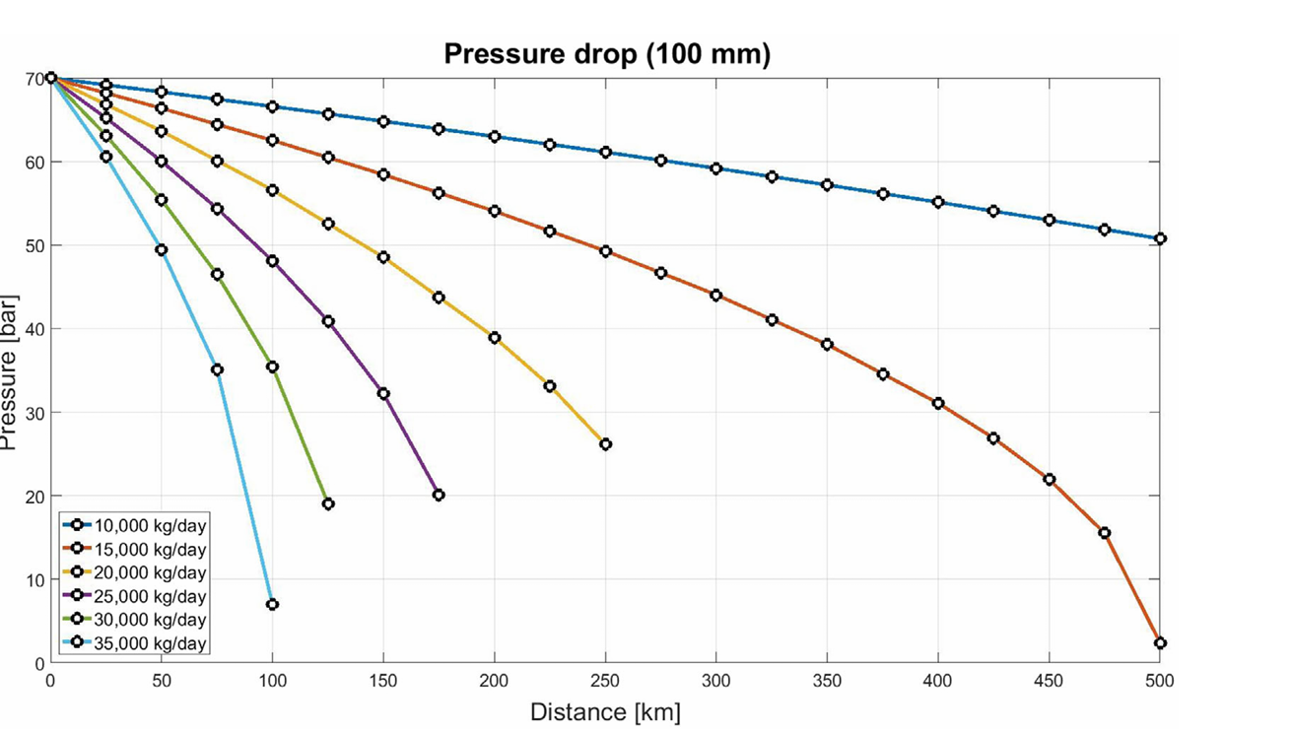
 |  |  |  |  | COMPRESSOR
Formulae for my reference | Column1 | Assumptions(as in paper) | Calculations |  | Formulae for reference |  | Assumptions(as in paper) | Calculations
Invest(Investment cost of pipeline) | TIC(Total installation costs) + Id(Indirect costs for installation) |  |  |  | TIC(Total installation cost for pipeline compressor) | UC(Uninstalled cost for compressor) * IF | IF(Pipeline)=2 |  | DOUBTS |  |  |  |  | 79.79452054794518, 30.000000000000007
TIC | SC(Specific installation costs) * L(Length of pipeline) | As per assumptions in paper, I multiplied by 0.001 to bring the cost to €/mm units | SC : 100 mm= 43.035 €/mm, 150 mm= 75.426 €/mm, 200mm= 115.12 €/mm |  | Id | 0.4*TIC |  |  |  |  |  |  |  | 108.56164383561642, 30.000000000000007
Id | 0.4*TIC |  |  |  | UC | 2655.97*(Pc)^SF70 |  |  |  |  |  |  |  | 154.4520547945205, 30.000000000000007
OC | Labor+ O&M |  |  |  | v(Velocity of hydrogen in pipeline) | 14.737*(Pb/Tb)*{(Z*Tf)/Pin}}*(Qb/D^2) | D=diameter(in mm) Pb=1.01 bar Tb=288.15 K Tf(Hydrogen flow temperature)= 288 K | N=2 T2=381.354 K Pavg=52 bar Tavg= 342.5K Z=1.031 |  |  |  |  |  | 235.95890410958899, 30.000000000000007
Labor | dL+Idl |  |  |  |  |  |  | ρ=0.0849318059972404 kg/m^3 at base temperature and base pressure for Qb calculation |  |  |  |  |  | 405.82191780821915, 30.000000000000007
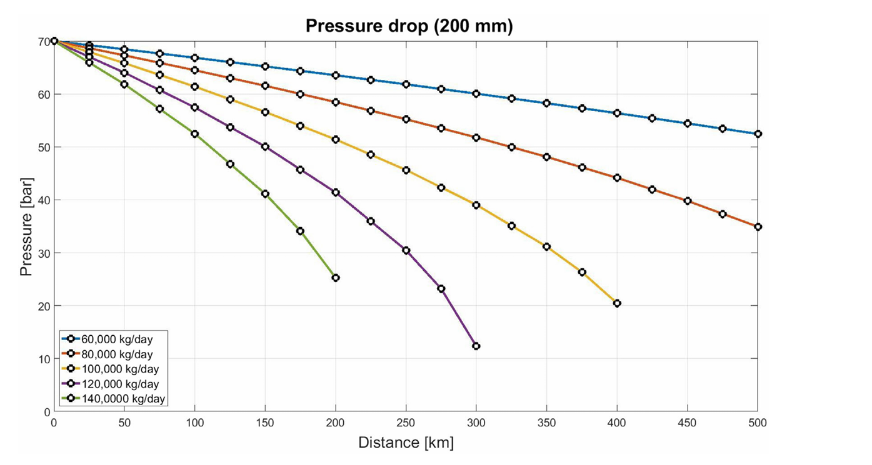
dl |  | S(hourly salary)= 18€/h |  |  | Re(Reynold's number) | ρvD/μ | μ= v*ρ | ρ=5.65166565634731 kg/m^3 at flowing temperature and inlet pressure for Re calculation
Idl | 0.5*dL |  |  |  |  |  |  | CRF=0.1668295449 |  |  |  |  |  | 186.19402985074626, 30.1
O&M | 0.026*Invest |  |  |  |  |  |  |  |  |  |  |  |  | 250.74626865671644, 30.1
LCOHT,Invest | (Invest* CRF)/(AF* mH2,dem,yr) | AF=90% | CRF= |  |  |  |  |  |  |  |  |  |  | 355.22388059701495, 30.1
LCOHT, OC | OC/(AF*mH2,dem,yr)
LCOHT, Pipe | LCOHT,Invest+ LCOHT,OC

Raw Data Trucks
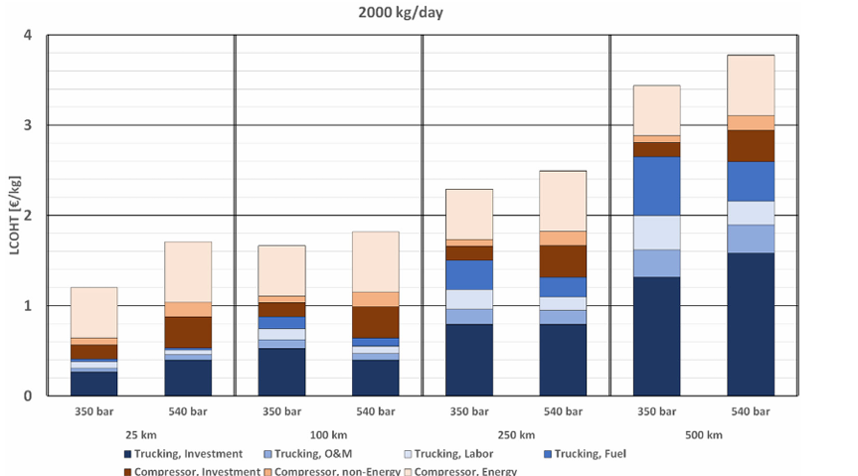
2K kg/day
Distance | Trailer Type | Number of Trucks | Number of trailers | Compressor Energy | Compressor, Non Energy | Compressor, INvestment | Trucking,fuel | Trucking, labour | Trucking, O&M | Trucking,Investment | Demand | LCOHT(Total) | Key | Dataset
25 | 350 | 1 | 2 | 0.56315523557 | 0.068965517241 | 0.15510925856 | 0.02936718454 | 0.068018188708 | 0.046482253379 | 0.26708349122 | 2000 | 1.1981811292 | 2000-25-350 | 350, 1.1981811292156115
25 | 540 | 1 | 2 | 0.65485663762 | 0.17310850069 | 0.33819628647 | 0.029177718833 | 0.045534924845 | 0.069660224833 | 0.39907793356 | 2000 | 1.7096122269 | 2000-25-540 | 350, 0.6350258936465827
100 | 350 | 2 | 4 | 0.56315523557 | 0.069470759126 | 0.16009852217 | 0.12719464444 | 0.13717317166 | 0.080838701528 | 0.54313502589 | 2000 | 1.6810660604 | 2000-100-350 | 350, 0.5660603764052032
100 | 540 | 1 | 2 | 0.6665403562 | 0.16148793735 | 0.34400656814 | 0.092775041051 | 0.079891372995 | 0.080965011999 | 0.41038272073 | 2000 | 1.8360490085 | 2000-100-540 | 350, 0.4109511178476697
250 | 350 | 3 | 6 | 0.56334470128 | 0.068333964886 | 0.14961475306 | 0.33409119616 | 0.21782240748 | 0.16110900594 | 0.81880762915 | 2000 | 2.313123658 | 2000-250-350 | 350, 0.38158393330807083
250 | 540 | 2 | 4 | 0.66666666667 | 0.16091954023 | 0.35619552861 | 0.2185802703 | 0.14917266641 | 0.14974106353 | 0.82442844512 | 2000 | 2.5257041809 | 2000-250-540 | 350, 0.31356574460022735
500 | 350 | 5 | 10 | 0.55153467222 | 0.080522925351 | 0.1496779083 | 0.65510925856 | 0.37931034483 | 0.31028167235 | 1.3476064166 | 2000 | 3.4740431982 | 2000-500-350 | 350, 0.26708349122142216
500 | 540 | 4 | 8 | 0.6780977643 | 0.16066691929 | 0.34508020715 | 0.43665529872 | 0.26430466086 | 0.31040798282 | 1.6291524567 | 2000 | 3.8243652899 | 2000-500-540 | 350, 1.7096122268536051
 |  |  |  |  |  |  |  |  |  |  |  |  |  | 350, 1.0547555892383476
 |  |  |  |  |  |  |  |  |  |  |  |  |  | 350, 0.88164708854364
 |  |  |  |  |  |  |  |  |  |  |  |  |  | 350, 0.5434508020714914
 |  |  |  |  |  |  |  |  |  |  |  |  |  | 350, 0.5142730832386002
 |  |  |  |  |  |  |  |  |  |  |  |  |  | 350, 0.4687381583933301
 |  |  |  |  |  |  |  |  |  |  |  |  |  | 350, 0.39907793356069154
 |  |  |  |  |  |  |  |  |  |  |  |  |  | 350, 1.6810660603764047
 |  |  |  |  |  |  |  |  |  |  |  |  |  | 350, 1.117910824807376
 |  |  |  |  |  |  |  |  |  |  |  |  |  | 350, 1.048440065681444
 |  |  |  |  |  |  |  |  |  |  |  |  |  | 350, 0.888341543513957
 |  |  |  |  |  |  |  |  |  |  |  |  |  | 350, 0.7611468990779331
 |  |  |  |  |  |  |  |  |  |  |  |  |  | 350, 0.623973727422003
 |  |  |  |  |  |  |  |  |  |  |  |  |  | 350, 0.5431350258936458
 |  |  |  |  |  |  |  |  |  |  |  |  |  | 350, 1.8360490084628012
 |  |  |  |  |  |  |  |  |  |  |  |  |  | 350, 1.1695086522672726
 |  |  |  |  |  |  |  |  |  |  |  |  |  | 350, 1.0080207149172664
 |  |  |  |  |  |  |  |  |  |  |  |  |  | 350, 0.6640141467727672
 |  |  |  |  |  |  |  |  |  |  |  |  |  | 350, 0.571239105721864
 |  |  |  |  |  |  |  |  |  |  |  |  |  | 350, 0.49134773272704235
 |  |  |  |  |  |  |  |  |  |  |  |  |  | 350, 0.41038272072754767
 |  |  |  |  |  |  |  |  |  |  |  |  |  | 350, 2.3131236579512433
 |  |  |  |  |  |  |  |  |  |  |  |  |  | 350, 1.7497789566755078
 |  |  |  |  |  |  |  |  |  |  |  |  |  | 350, 1.6814449917898187
 |  |  |  |  |  |  |  |  |  |  |  |  |  | 350, 1.5318302387267901
 |  |  |  |  |  |  |  |  |  |  |  |  |  | 350, 1.1977390425666283
 |  |  |  |  |  |  |  |  |  |  |  |  |  | 350, 0.9799166350890487
 |  |  |  |  |  |  |  |  |  |  |  |  |  | 350, 0.818807629152456
 |  |  |  |  |  |  |  |  |  |  |  |  |  | 350, 2.525704180876594
 |  |  |  |  |  |  |  |  |  |  |  |  |  | 350, 1.8590375142099274
 |  |  |  |  |  |  |  |  |  |  |  |  |  | 350, 1.6981179739800427
 |  |  |  |  |  |  |  |  |  |  |  |  |  | 350, 1.3419224453707206
 |  |  |  |  |  |  |  |  |  |  |  |  |  | 350, 1.1233421750663122
 |  |  |  |  |  |  |  |  |  |  |  |  |  | 350, 0.9741695086522664
 |  |  |  |  |  |  |  |  |  |  |  |  |  | 350, 0.8244284451180994
 |  |  |  |  |  |  |  |  |  |  |  |  |  | 350, 3.4740431981811284
 |  |  |  |  |  |  |  |  |  |  |  |  |  | 350, 2.9225085259568013
 |  |  |  |  |  |  |  |  |  |  |  |  |  | 350, 2.8419856006062894
 |  |  |  |  |  |  |  |  |  |  |  |  |  | 350, 2.6923076923076916
 |  |  |  |  |  |  |  |  |  |  |  |  |  | 350, 2.037198433750157
 |  |  |  |  |  |  |  |  |  |  |  |  |  | 350, 1.6578880889225713
 |  |  |  |  |  |  |  |  |  |  |  |  |  | 350, 1.3476064165719333
 |  |  |  |  |  |  |  |  |  |  |  |  |  | 350, 3.82436528988253
 |  |  |  |  |  |  |  |  |  |  |  |  |  | 350, 3.1462675255778696
 |  |  |  |  |  |  |  |  |  |  |  |  |  | 350, 2.9856006062902605
 |  |  |  |  |  |  |  |  |  |  |  |  |  | 350, 2.6405203991410877
 |  |  |  |  |  |  |  |  |  |  |  |  |  | 350, 2.2038651004168237
 |  |  |  |  |  |  |  |  |  |  |  |  |  | 350, 1.9395604395604389
 |  |  |  |  |  |  |  |  |  |  |  |  |  | 350, 1.6291524567386628

Trucks Model
Breakdown Of LCOHT Components
Input Parameter
Hydrogen Demand(kg/day) | 2000
Transport Distance(km) | 500
Trailer Type(bar) | 540

Key | 2000-500-540
Number of trailers | 8
Compressor Energy(€/kg) | 0.6780977643
Compressor, Non Energy(€/kg) | 0.16066691929
Compressor, Investment(€/kg) | 0.34508020715
Trucking,fuel(€/kg) | 0.43665529872
Trucking, labour(€/kg) | 0.26430466086
Trucking, O&M(€/kg) | 0.31040798282
Trucking,Investment(€/kg) | 1.6291524567
LCOHT(Total)(€/kg) | 3.8243652899
Sum(Not LCOHT) | 3.8243652899 |  |  |  |  |  |  |  |  |  |  |  |  |  |  |  |  |  |  |  |  |  |  |  |  |  |  |  |  |  |  |  |  |  |  |  | CRF=0.1668295449
 |  |  |  |  |  |  |  |  |  |  |  |  |  |  |  |  |  |  |  |  |  |  |  |  |  |  |  |  | COMPRESSOR
Component | Max load capacity of trailer{HT(capacity)}[kg] | Daily Hydrogen Demand{mH2}(kg/day) | No of delieveries per day {nd} | Distance{d}(km) | Average speed of truck{v}(km/h) | Loading time{tl}(h) | Unloading time{tul}(h) | Total time for delievery{td}(h) | Max no of hours per day{dhmax}(h) | Max no of delieveries by each truck per day{Nd} | Availability factor{AF} | No of trucks{Nt} | No of trailers{NTr} | CRFTr | Investment cost, Trailer{ICTr}(k€) | CRFT | Investment cost, Truck{ICT}(k€) | LCOHT,Invest(€/kg) | Variable cost for trucks{VCT}(€/km) | Annual drive distance per truck {dT,yr}(km) | Fixed O&M Costs {FCTr} | LCOHT(O&M)(€/kg) | Labor cost{ST}(€/h) | LCOHT,Labor(€/kg) | Fuel consumption{F}(L/km) | Fuel Price{FP}(€/L) | LCOHT,Fuel(€/kg) | LCOHT,Trucking | No of compressor stages{N} | T2(K) | Molar flow {qM}(moles/sec) | Compressor Power{P} (kW) | Rated Power{Pc}(kW) | Total installation costs{TIC} | Indirect costs{Id} | Investment cost for truck loading compressor{Invest} | LCOHT,Invest | Direct labor costs{dL} | Indirect labor costs{Idl} | No of annual hours{Ann} | Hourly salary {S}(€/h) | O&Mc | Non energy cost for compressor(NE) | LCOHT,NE | Annual energy cost for compression(Ec)(€) | LCOHT,E | LOCHT For trucking compressor | Total LCOHT for compressed hydrogen gas via trucks and trailers (€/kg)
Trailer(350 bar) | 900 | 30000 | 33.333333333 | 25 | 65 | 1 | 1 | 2.7692307692 | 9 | 3.25 | 0.8 | 13 | 26 | 0.11682954494 | 689 | 0.17401476059 | 180 | 0.2283177176 | 0.1 | 46794.871795 | 13.78 | 0.028099383866 | 23 | 0.070769230769 | 0.38 | 1.54 | 0.032511111111 | 0.35969744335 | 4 | 399.2568937 | 173.61111111 | 1868547.844 | 1966892.4673 | 2340228.6246 | 655264.01488 | 2995492.6395 | 0.035511115366 | 3836.5892585 | 1918.2946292 | 213.14384769 | 18 | 156514.49041 | 162269.3743 | 0.016465689934 | 5272373.2723 | 0.53499475112 | 0.58697155642 | 0.94666899977
Trailer(350 bar) | 900 | 2000 | 2.2222222222 | 25 | 65 | 1 | 1 | 2.7692307692 | 9 | 3.25 | 0.8 | 1 | 2 | 0.11682954494 | 689 | 0.17401476059 | 180 | 0.26344352031 | 0.1 | 40555.555556 | 13.78 | 0.031567665145 | 23 | 0.070769230769 | 0.38 | 1.54 | 0.032511111111 | 0.39829152734 | 4 | 399.2568937 | 11.574074074 | 124569.85626 | 131126.16449 | 672827.10777 | 188391.59018 | 861218.69794 | 0.15314427484 | 1949.4966435 | 974.74832173 | 108.30536908 | 18 | 44998.676968 | 47922.921933 | 0.072942042516 | 351491.55148 | 0.53499475112 | 0.76108106847 | 1.1593725958
Trailer(350 bar) | 900 | 10000 | 11.111111111 | 25 | 65 | 1 | 1 | 2.7692307692 | 9 | 3.25 | 0.8 | 5 | 10 | 0.11682954494 | 689 | 0.17401476059 | 180 | 0.26344352031 | 0.1 | 40555.555556 | 13.78 | 0.031567665145 | 23 | 0.070769230769 | 0.38 | 1.54 | 0.032511111111 | 0.39829152734 | 4 | 399.2568937 | 57.87037037 | 622849.28132 | 655630.82245 | 1411365.0984 | 395182.22756 | 1806547.326 | 0.064249041704 | 2915.1774298 | 1457.5887149 | 161.95430165 | 18 | 94392.097782 | 98764.863927 | 0.030065407588 | 1757457.7574 | 0.53499475112 | 0.62930920041 | 1.0276007277
Trailer(540 bar) | 1330 | 30000 | 22.556390977 | 25 | 65 | 1 | 1 | 2.7692307692 | 9 | 3.25 | 0.8 | 9 | 18 | 0.11682954494 | 1100 | 0.17401476059 | 180 | 0.23699807323 | 0.1 | 45739.348371 | 22 | 0.043540220414 | 23 | 0.047888953152 | 0.38 | 1.54 | 0.022 | 0.3504272468 | 4 | 415.30072281 | 173.61111111 | 2187107.5276 | 2302218.4501 | 7548833.6012 | 2113673.4083 | 9662507.0095 | 0.11454756944 | 3836.5892585 | 1918.2946292 | 213.14384769 | 18 | 504865.99125 | 510620.87513 | 0.051813381546 | 6171234.6886 | 0.62620341843 | 0.79256436941 | 1.1429916162
Trailer(540 bar) | 1330 | 10000 | 7.5187969925 | 25 | 65 | 1 | 1 | 2.7692307692 | 9 | 3.25 | 0.8 | 3 | 6 | 0.11682954494 | 1100 | 0.17401476059 | 180 | 0.23699807323 | 0.1 | 45739.348371 | 22 | 0.043540220414 | 23 | 0.047888953152 | 0.38 | 1.54 | 0.022 | 0.3504272468 | 4 | 415.30072281 | 57.87037037 | 729035.84253 | 767406.15003 | 3888606.8666 | 1088809.9227 | 4977416.7893 | 0.17701958553 | 2915.1774298 | 1457.5887149 | 161.95430165 | 18 | 260070.02724 | 264442.79339 | 0.080500089311 | 2057078.2295 | 0.62620341843 | 0.88372309326 | 1.2341503401
Trailer(350 bar) | 900 | 30000 | 33.333333333 | 100 | 72 | 1 | 1 | 4.7777777778 | 9 | 1.8837209302 | 0.8 | 23 | 46 | 0.11682954494 | 689 | 0.17401476059 | 180 | 0.40394673115 | 0.1 | 105797.10145 | 13.78 | 0.062107456925 | 23 | 0.12209876543 | 0.38 | 1.54 | 0.13004444444 | 0.71819739795 | 4 | 399.2568937 | 173.61111111 | 1868547.844 | 1966892.4673 | 2340228.6246 | 655264.01488 | 2995492.6395 | 0.035511115366 | 3836.5892585 | 1918.2946292 | 213.14384769 | 18 | 156514.49041 | 162269.3743 | 0.016465689934 | 5272373.2723 | 0.53499475112 | 0.58697155642 | 1.3051689544
Trailer(350 bar) | 900 | 10000 | 11.111111111 | 100 | 72 | 1 | 1 | 4.7777777778 | 9 | 1.8837209302 | 0.8 | 8 | 16 | 0.11682954494 | 689 | 0.17401476059 | 180 | 0.4215096325 | 0.1 | 101388.88889 | 13.78 | 0.063841597565 | 23 | 0.12209876543 | 0.38 | 1.54 | 0.13004444444 | 0.73749443994 | 4 | 399.2568937 | 57.87037037 | 622849.28132 | 655630.82245 | 1411365.0984 | 395182.22756 | 1806547.326 | 0.064249041704 | 2915.1774298 | 1457.5887149 | 161.95430165 | 18 | 94392.097782 | 98764.863927 | 0.030065407588 | 1757457.7574 | 0.53499475112 | 0.62930920041 | 1.3668036404
Trailer(350 bar) | 900 | 2000 | 2.2222222222 | 100 | 72 | 1 | 1 | 4.7777777778 | 9 | 1.8837209302 | 0.8 | 2 | 4 | 0.11682954494 | 689 | 0.17401476059 | 180 | 0.52688704063 | 0.1 | 81111.111111 | 13.78 | 0.0742464414 | 23 | 0.12209876543 | 0.38 | 1.54 | 0.13004444444 | 0.8532766919 | 4 | 399.2568937 | 11.574074074 | 124569.85626 | 131126.16449 | 672827.10777 | 188391.59018 | 861218.69794 | 0.15314427484 | 1949.4966435 | 974.74832173 | 108.30536908 | 18 | 44998.676968 | 47922.921933 | 0.072942042516 | 351491.55148 | 0.53499475112 | 0.76108106847 | 1.6143577604
Trailer(540 bar) | 1330 | 30000 | 22.556390977 | 100 | 72 | 1 | 1 | 4.7777777778 | 9 | 1.8837209302 | 0.8 | 15 | 30 | 0.11682954494 | 1100 | 0.17401476059 | 180 | 0.39499678872 | 0.1 | 109774.43609 | 22 | 0.081338963848 | 23 | 0.082623224728 | 0.38 | 1.54 | 0.088 | 0.6469589773 | 4 | 415.30072281 | 173.61111111 | 2187107.5276 | 2302218.4501 | 7548833.6012 | 2113673.4083 | 9662507.0095 | 0.11454756944 | 3836.5892585 | 1918.2946292 | 213.14384769 | 18 | 504865.99125 | 510620.87513 | 0.051813381546 | 6171234.6886 | 0.62620341843 | 0.79256436941 | 1.4395233467
Trailer(540 bar) | 1330 | 10000 | 7.5187969925 | 100 | 72 | 1 | 1 | 4.7777777778 | 9 | 1.8837209302 | 0.8 | 5 | 10 | 0.11682954494 | 1100 | 0.17401476059 | 180 | 0.39499678872 | 0.1 | 109774.43609 | 22 | 0.081338963848 | 23 | 0.082623224728 | 0.38 | 1.54 | 0.088 | 0.6469589773 | 4 | 415.30072281 | 57.87037037 | 729035.84253 | 767406.15003 | 3888606.8666 | 1088809.9227 | 4977416.7893 | 0.17701958553 | 2915.1774298 | 1457.5887149 | 161.95430165 | 18 | 260070.02724 | 264442.79339 | 0.080500089311 | 2057078.2295 | 0.62620341843 | 0.88372309326 | 1.5306820706
Trailer(540 bar) | 1330 | 2000 | 1.5037593985 | 25 | 65 | 1 | 1 | 2.7692307692 | 9 | 3.25 | 0.8 | 1 | 2 | 0.11682954494 | 1100 | 0.17401476059 | 180 | 0.39499678872 | 0.1 | 27443.609023 | 22 | 0.070060768359 | 23 | 0.047888953152 | 0.38 | 1.54 | 0.022 | 0.53494651023 | 4 | 415.30072281 | 11.574074074 | 145807.16851 | 153481.23001 | 1471485.3753 | 412015.90508 | 1883501.2803 | 0.3349293721 | 1949.4966435 | 974.74832173 | 108.30536908 | 18 | 98412.941898 | 101337.18686 | 0.15424229355 | 411415.64591 | 0.62620341843 | 1.1153750841 | 1.6503215943
Trailer(540 bar) | 1330 | 2000 | 1.5037593985 | 100 | 72 | 1 | 1 | 4.7777777778 | 9 | 1.8837209302 | 0.8 | 1 | 2 | 0.11682954494 | 1100 | 0.17401476059 | 180 | 0.39499678872 | 0.1 | 109774.43609 | 22 | 0.081338963848 | 23 | 0.082623224728 | 0.38 | 1.54 | 0.088 | 0.6469589773 | 4 | 415.30072281 | 11.574074074 | 145807.16851 | 153481.23001 | 1471485.3753 | 412015.90508 | 1883501.2803 | 0.3349293721 | 1949.4966435 | 974.74832173 | 108.30536908 | 18 | 98412.941898 | 101337.18686 | 0.15424229355 | 411415.64591 | 0.62620341843 | 1.1153750841 | 1.7623340614
Trailer(350 bar) | 900 | 30000 | 33.333333333 | 250 | 77 | 1 | 1 | 8.4935064935 | 9 | 1.0596330275 | 0.8 | 40 | 80 | 0.11682954494 | 689 | 0.17401476059 | 180 | 0.70251605417 | 0.1 | 152083.33333 | 13.78 | 0.12492118113 | 23 | 0.21705627706 | 0.38 | 1.54 | 0.32511111111 | 1.3696046235 | 4 | 399.2568937 | 173.61111111 | 1868547.844 | 1966892.4673 | 2340228.6246 | 655264.01488 | 2995492.6395 | 0.035511115366 | 3836.5892585 | 1918.2946292 | 213.14384769 | 18 | 156514.49041 | 162269.3743 | 0.016465689934 | 5272373.2723 | 0.53499475112 | 0.58697155642 | 1.9565761799
Trailer(350 bar) | 900 | 10000 | 11.111111111 | 250 | 77 | 1 | 1 | 8.4935064935 | 9 | 1.0596330275 | 0.8 | 14 | 28 | 0.11682954494 | 689 | 0.17401476059 | 180 | 0.73764185688 | 0.1 | 144841.26984 | 13.78 | 0.1283894624 | 23 | 0.21705627706 | 0.38 | 1.54 | 0.32511111111 | 1.4081987074 | 4 | 399.2568937 | 57.87037037 | 622849.28132 | 655630.82245 | 1411365.0984 | 395182.22756 | 1806547.326 | 0.064249041704 | 2915.1774298 | 1457.5887149 | 161.95430165 | 18 | 94392.097782 | 98764.863927 | 0.030065407588 | 1757457.7574 | 0.53499475112 | 0.62930920041 | 2.0375079079
Trailer(350 bar) | 900 | 2000 | 2.2222222222 | 250 | 77 | 1 | 1 | 8.4935064935 | 9 | 1.0596330275 | 0.8 | 3 | 6 | 0.11682954494 | 689 | 0.17401476059 | 180 | 0.79033056094 | 0.1 | 135185.18519 | 13.78 | 0.13359188432 | 23 | 0.21705627706 | 0.38 | 1.54 | 0.32511111111 | 1.4660898334 | 4 | 399.2568937 | 11.574074074 | 124569.85626 | 131126.16449 | 672827.10777 | 188391.59018 | 861218.69794 | 0.15314427484 | 1949.4966435 | 974.74832173 | 108.30536908 | 18 | 44998.676968 | 47922.921933 | 0.072942042516 | 351491.55148 | 0.53499475112 | 0.76108106847 | 2.2271709019
Trailer(540 bar) | 1330 | 30000 | 22.556390977 | 250 | 77 | 1 | 1 | 8.4935064935 | 9 | 1.0596330275 | 0.8 | 27 | 54 | 0.11682954494 | 1100 | 0.17401476059 | 180 | 0.7109942197 | 0.1 | 152464.49457 | 22 | 0.15693645072 | 23 | 0.14688018748 | 0.38 | 1.54 | 0.22 | 1.2348108579 | 4 | 415.30072281 | 173.61111111 | 2187107.5276 | 2302218.4501 | 7548833.6012 | 2113673.4083 | 9662507.0095 | 0.11454756944 | 3836.5892585 | 1918.2946292 | 213.14384769 | 18 | 504865.99125 | 510620.87513 | 0.051813381546 | 6171234.6886 | 0.62620341843 | 0.79256436941 | 2.0273752273
Trailer(540 bar) | 1330 | 10000 | 7.5187969925 | 250 | 77 | 1 | 1 | 8.4935064935 | 9 | 1.0596330275 | 0.8 | 9 | 18 | 0.11682954494 | 1100 | 0.17401476059 | 180 | 0.7109942197 | 0.1 | 152464.49457 | 22 | 0.15693645072 | 23 | 0.14688018748 | 0.38 | 1.54 | 0.22 | 1.2348108579 | 4 | 415.30072281 | 57.87037037 | 729035.84253 | 767406.15003 | 3888606.8666 | 1088809.9227 | 4977416.7893 | 0.17701958553 | 2915.1774298 | 1457.5887149 | 161.95430165 | 18 | 260070.02724 | 264442.79339 | 0.080500089311 | 2057078.2295 | 0.62620341843 | 0.88372309326 | 2.1185339512
Trailer(350 bar) | 900 | 30000 | 33.333333333 | 500 | 77 | 1 | 1 | 14.987012987 | 9 | 0.60051993068 | 0.8 | 70 | 140 | 0.11682954494 | 689 | 0.17401476059 | 180 | 1.2294030948 | 0.1 | 173809.52381 | 13.78 | 0.23250095586 | 23 | 0.383001443 | 0.38 | 1.54 | 0.65022222222 | 2.4951277159 | 4 | 399.2568937 | 173.61111111 | 1868547.844 | 1966892.4673 | 2340228.6246 | 655264.01488 | 2995492.6395 | 0.035511115366 | 3836.5892585 | 1918.2946292 | 213.14384769 | 18 | 156514.49041 | 162269.3743 | 0.016465689934 | 5272373.2723 | 0.53499475112 | 0.58697155642 | 3.0820992723
Trailer(350 bar) | 900 | 10000 | 11.111111111 | 500 | 77 | 1 | 1 | 14.987012987 | 9 | 0.60051993068 | 0.8 | 24 | 48 | 0.11682954494 | 689 | 0.17401476059 | 180 | 1.2645288975 | 0.1 | 168981.48148 | 13.78 | 0.23596923714 | 23 | 0.383001443 | 0.38 | 1.54 | 0.65022222222 | 2.5337217999 | 4 | 399.2568937 | 57.87037037 | 622849.28132 | 655630.82245 | 1411365.0984 | 395182.22756 | 1806547.326 | 0.064249041704 | 2915.1774298 | 1457.5887149 | 161.95430165 | 18 | 94392.097782 | 98764.863927 | 0.030065407588 | 1757457.7574 | 0.53499475112 | 0.62930920041 | 3.1630310003
Trailer(350 bar) | 900 | 2000 | 2.2222222222 | 500 | 77 | 1 | 1 | 14.987012987 | 9 | 0.60051993068 | 0.8 | 5 | 10 | 0.11682954494 | 689 | 0.17401476059 | 180 | 1.3172176016 | 0.1 | 162222.22222 | 13.78 | 0.24117165906 | 23 | 0.383001443 | 0.38 | 1.54 | 0.65022222222 | 2.5916129258 | 4 | 399.2568937 | 11.574074074 | 124569.85626 | 131126.16449 | 672827.10777 | 188391.59018 | 861218.69794 | 0.15314427484 | 1949.4966435 | 974.74832173 | 108.30536908 | 18 | 44998.676968 | 47922.921933 | 0.072942042516 | 351491.55148 | 0.53499475112 | 0.76108106847 | 3.3526939943
Trailer(540 bar) | 1330 | 2000 | 1.5037593985 | 250 | 77 | 1 | 1 | 8.4935064935 | 9 | 1.0596330275 | 0.8 | 2 | 4 | 0.11682954494 | 1100 | 0.17401476059 | 180 | 0.78999357744 | 0.1 | 137218.04511 | 22 | 0.17019672469 | 23 | 0.14688018748 | 0.38 | 1.54 | 0.22 | 1.3270704896 | 4 | 415.30072281 | 11.574074074 | 145807.16851 | 153481.23001 | 1471485.3753 | 412015.90508 | 1883501.2803 | 0.3349293721 | 1949.4966435 | 974.74832173 | 108.30536908 | 18 | 98412.941898 | 101337.18686 | 0.15424229355 | 411415.64591 | 0.62620341843 | 1.1153750841 | 2.4424455737
Trailer(540 bar) | 1330 | 30000 | 22.556390977 | 500 | 77 | 1 | 1 | 14.987012987 | 9 | 0.60051993068 | 0.8 | 47 | 94 | 0.11682954494 | 1100 | 0.17401476059 | 180 | 1.2376566047 | 0.1 | 175171.97248 | 22 | 0.28293226216 | 23 | 0.2591739088 | 0.38 | 1.54 | 0.44 | 2.2197627756 | 4 | 415.30072281 | 173.61111111 | 2187107.5276 | 2302218.4501 | 7548833.6012 | 2113673.4083 | 9662507.0095 | 0.11454756944 | 3836.5892585 | 1918.2946292 | 213.14384769 | 18 | 504865.99125 | 510620.87513 | 0.051813381546 | 6171234.6886 | 0.62620341843 | 0.79256436941 | 3.012327145
Trailer(540 bar) | 1330 | 10000 | 7.5187969925 | 500 | 77 | 1 | 1 | 14.987012987 | 9 | 0.60051993068 | 0.8 | 16 | 32 | 0.11682954494 | 1100 | 0.17401476059 | 180 | 1.2639897239 | 0.1 | 171522.55639 | 22 | 0.28735235349 | 23 | 0.2591739088 | 0.38 | 1.54 | 0.44 | 2.2505159862 | 4 | 415.30072281 | 57.87037037 | 729035.84253 | 767406.15003 | 3888606.8666 | 1088809.9227 | 4977416.7893 | 0.17701958553 | 2915.1774298 | 1457.5887149 | 161.95430165 | 18 | 260070.02724 | 264442.79339 | 0.080500089311 | 2057078.2295 | 0.62620341843 | 0.88372309326 | 3.1342390795
Trailer(540 bar) | 1330 | 2000 | 1.5037593985 | 500 | 77 | 1 | 1 | 14.987012987 | 9 | 0.60051993068 | 0.8 | 4 | 8 | 0.11682954494 | 1100 | 0.17401476059 | 180 | 1.5799871549 | 0.1 | 137218.04511 | 22 | 0.34039344938 | 23 | 0.2591739088 | 0.38 | 1.54 | 0.44 | 2.6195545131 | 4 | 415.30072281 | 11.574074074 | 145807.16851 | 153481.23001 | 1471485.3753 | 412015.90508 | 1883501.2803 | 0.3349293721 | 1949.4966435 | 974.74832173 | 108.30536908 | 18 | 98412.941898 | 101337.18686 | 0.15424229355 | 411415.64591 | 0.62620341843 | 1.1153750841 | 3.7349295971

 |  |  |  |  |  |  |  |  | DOUBTS

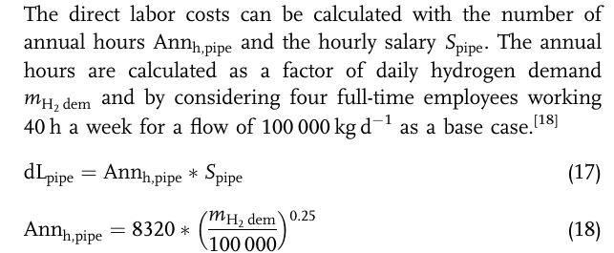

 |  |  |  |  |  |  |  |  |  |  |  |  |  |  |  |  |  |  |  |  |  |  |  |  |  |  |  |  |  |  |  |  | 1.84E+05

